Sheet1
Value Storage and Record Management

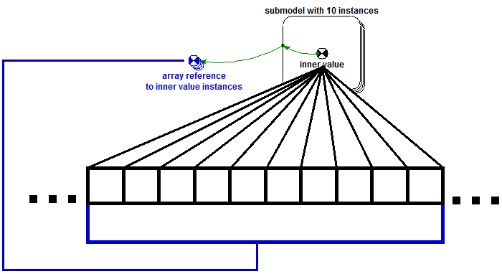
Working storage: ValueArchive |  |  | Scoping with Value archive reference
Model values are not stored in the model components themselves, but rather in a monolithic structure known as a ValueArchive. The ValueArchive itself is a wrapper around a large container that manages queries for component values. Each Evaluable model object has a "model index" number which, when combined with a parent submodel's active instance (the instance upon which active operations are taking place), a slot index is provided. There are two main advantages to a setup such as this: 1) value coherence (values that are likely to be used together are located close together and will be more likely to be placed in L1 cache), and 2) Arrays and submodel scoping (see figure to the right).

Persistant Storage: RecordMgr
For record keeping across timesteps, The RecordMgr class is used. The RecordMgr can either store records in memory, or write them to disk (the default behavior). When disk writing is enabled, RecordMgr writes out binary .omet files containing all the values for a submodel at a specific time. There are two types of records: full and diffs. A full record is a snapshot, while a diff is a record of just the values that changed between steps. Diff records take up less space, while full records do not require walking across multiple files. The RecordMgr will write out full records on an interval defined by RM_KEYFRAME_INT, and will write out diff records for each intermediate timestep. Finally, there are two record keeping modes: full record and partial. Full record records anything value at a given point, while partial recording only records values for items that utilize previous value lookups. Use the full record if you will be parsing timesteps at the end of a run; use partials if you are only concerned with the final timestep.

Relevant Methods & classes
Function | Class | Description
AddEvaluable | ValueArchive | Allocate space for an Evaluable object in the ValueArchive
AddSpaceForEvaluable | ValueArchive | Expand space for a an Evaluable object if more is needed.
AddSpaceForModel | ValueArchive | Expand the space for all subcomponents for a given submodel. This can be useful when dynamically adding instances.
AllocSpaceForModel | ValueArchive | Allocate a enough space for all components in a submodel to store their values.
GetIDValPairs | ValueArchive | Returns a container of ID-value tuples.
IndexForID | ValueArchive | Retrieve the ValueArchive index for a specific object ID.
RecordState | ValueArchive | Inform the associated RecordMgr to record the current values in the ValueArchive.
SingleValForTime | RecordMgr | Retrieve a specific value from a previously saved record.
CacheRecord | RecordMgr | Retrieve a record from storage and place into memory.
RecordState | RecordMgr | Record the current values in the ValueArchive according to the present RecordMgr settings
SyncArchiveWithCache | RecordMgr | Copy Cached record into ValueArchive.
GetArchiveIndex | Model | Get the ValueArchive index for a modelIndex after it is transformed by the current Model instance/state
GetValueArchive | Model | Retrieve pointer to the associated value archive
SetCurrentInstance | Model | Set the submodel instance to act upon when any contained Evaluables query the ValueArchive. Basically the current instance is used as an offset applied to the model index of an Evaluable object.
GetModelIndex | Evaluable | Retrieves the Index from an Evaluable object used to locate partition in ValueArchive
GetValue | Evaluable | Retrieve associated value from ValueArchive
SetValue | Evaluable | Set the associated value in the ValueArchive

